Tuning Par for Logistic Reg
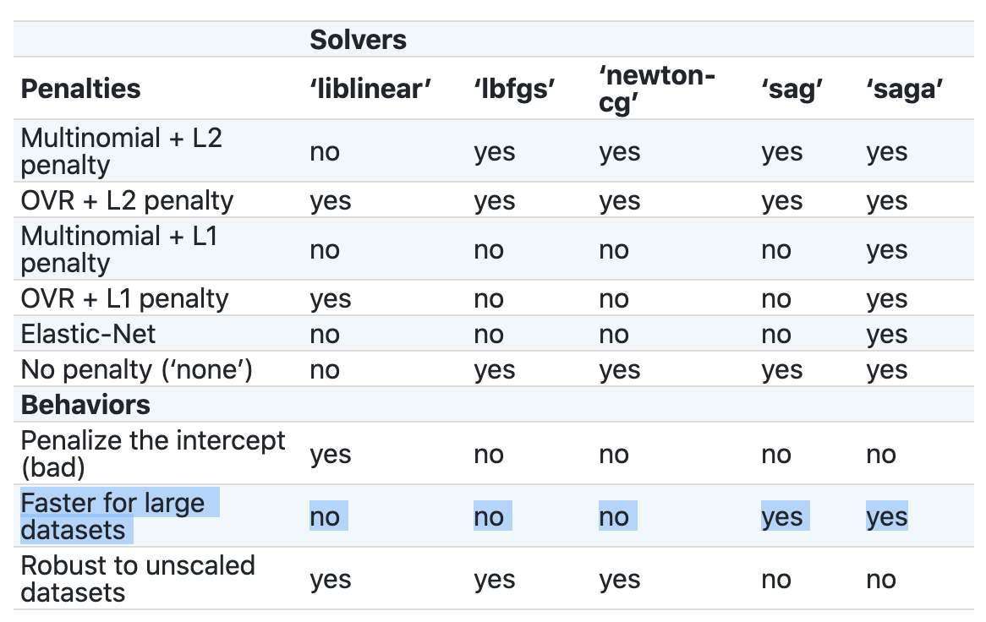
Some Important Tuning Parameter for Logistic Regression

 | →C: inverse of Regularization StrengthC is known as a "hyperparameter." The parameters are numbers that tell the model what to do with the characteristics, whereas the hyperparameters instruct the model on how to choose parameters. Regularization will penalize the extreme parameters, the extreme values in the training data leads to overfitting. A high value of C tells the model to give more weight to the training data. A lower value of C will indicate the model to give complexity more weight at the cost of fitting the data. Thus, a high Hyper Parameter value C indicates that training data is more important and reflects the real world data, whereas low value is just the opposite of this.

 | →Penalty : Type of Regularization L1(Ridge) , L2(LASSO) , Elastic Net Regularization C Basically Helps to Increase & Decrease Penalty Factor (Control The Regularization)

 | →Solver: Algorithm Used For Optimization ↓ Below Table See Scikit Learn Pl see in Scikit Learn Logistic Regrssion For Parameters value (Google).

